content
ASME BPVC Rules for Bolted Flange Connections with Gasket (linked to SOP-527)

INSTRUCTIONS
These worksheet verify the gasket selection, based formulas in ASME BPVC VIII div. 2 - Appendix 2 Rules For Bolted Flange Connecions With Ring Type Gasket.
ref. ASME BPVC VIII div. 2 - Appendix 2 Rules For Bolted Flange Connecions With Ring Type Gasket
Sheet "circular gasket"
Calculations for circular gasket.
Sheet "non circular gasket"
Calculations for non circular gasket.
Sheet "gasket table"
Typical gasket parameters.

0 | 2024-12-02 | First issue | R&D - M. Di Somma | QA/HSEM C.Delli Quadri - M.Tremolada | R&D Manager / M.Borghetti
Rev. | Date | Description | Prepared | Checked | Approved
Mod.498-0

circular gasket
Gasket |  |  |  |  | Legend
ODgasket [mm] | 100 | (outside diameter) |  |  | input data
IDgasket [mm] | 90 | (inside diameter) |  |  | descriptor
p [bar] | 100 | (internal design pressure) |  |  | calculated
m [-] | 3 | (gasket factor) |  |  | annotation
y [MPa] | 69 | (gasket seating load)
Gasket material | Elastomers |  | Fig1a
Facing Sketch | (1a)
N [mm] | 5 | (gasket width)
INSTRUCTIONS:
1) compile the input data for the gasket (see data from table sheet);
2) calculate the required bolt load;
3) compile the input data for the bolt/stud;
4) verify that F_{tot} is greather than W.
w [mm] | 4 | (width) |  |  | TRUE
T [mm] | 2 | (gasket thickness) |  |  | FALSE
G [mm] | 95 | (diameter at location of gasket load) |  |  | FALSE
b0 [mm] | 2.5 | (basic gasket seating width)
b [mm] | 2.5 | (effective gasket seating width)
Wm1 [N] | 115649.88 | (minimum required bolt load for operating conditions)
Wm2 [N] | 51482.85 | (minimum required bolt load for gasket seating)
W [N] | 115649.88 | (required bolt load)

Bolt
(ratio of axial vs yield stress at serration) | (number of bolt/stud) | (bolt material yield stress) | (resistant diameter of bolt/stud) | (tightening force of bolt/stud)
tightratio [-] | nbolt [-] | σyield [MPa] | dres [mm] | Fbolt [N]
70% | 10 | 724 | 10 | 398039.78921
70% | 0 | 724 | 10 | 0
70% | 0 | 724 | 10 | 0
70% | 0 | 724 | 10 | 0
70% | 0 | 724 | 10 | 0
70% | 0 | 724 | 10 | 0
70% | 0 | 724 | 10 | 0
70% | 0 | 724 | 10 | 0 | Warnings legend
70% | 0 | 724 | 10 | 0 | 0 | not allowable
70% | 0 | 724 | 10 | 0 | 0.5 | near to limit
 |  |  | Ftot [N] | 398039.78921 | 1 | allowable

not-circular gasket
Gasket |  |  |  |  | Legend
Awet [mm2] | 100 | (effective wet area of the pump) |  |  | input data
Agasket [mm2] | 90 | (effective compressed area of the gasket) |  |  | descriptor
p [bar] | 100 | (internal design pressure) |  |  | calculated
m [-] | 3 | (gasket factor) |  |  | annotation
y [MPa] | 69 | (gasket seating load)
INSTRUCTIONS:
1) compile the input data for the gasket;
2) calculate the required bolt load;
3) compile the input data for the bolt/stud;
4) verify that F_{tot} is greather than W.
NOTE:
The definition of wet and gasket areas have great influence on the results (i.e., not the whole gasket surface could be considered as A_{gasket}, so A_{wet} increases .)
Wm1 [N] | 37000.00 | (minimum required bolt load for operating conditions)
Wm2 [N] | 3105.00 | (minimum required bolt load for gasket seating)
W [N] | 37000.00 | (required bolt load)

Bolt
(ratio of axial vs yield stress at serration) | (number of bolt/stud) | (bolt material yield stress) | (resistant diameter of bolt/stud) | (tightening force of bolt/stud)
tightratio [-] | nbolt [-] | σyield [MPa] | dres [mm] | Fbolt [N]
70% | 10 | 724 | 5 | 99509.947302
70% | 0 | 724 | 10 | 0
70% | 0 | 724 | 10 | 0
70% | 0 | 724 | 10 | 0
70% | 0 | 724 | 10 | 0
70% | 0 | 724 | 10 | 0
70% | 0 | 724 | 10 | 0
70% | 0 | 724 | 10 | 0 | Warnings legend
70% | 0 | 724 | 10 | 0 | 0 | not allowable
70% | 0 | 724 | 10 | 0 | 0.5 | near to limit
 |  |  | Ftot [N] | 99509.947302 | 1 | allowable

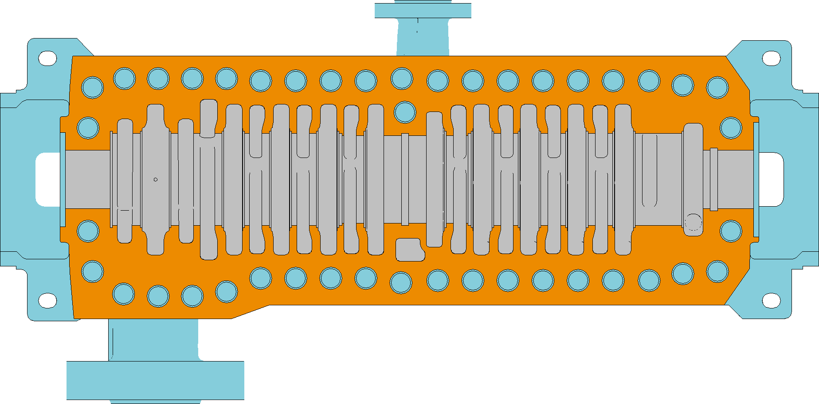
gasket area
wet area
gasket area

gasket table
GASKET MATERIALS AND CONTACT FACINGS |  |  |  |  |  | Facing Sketch (Exaggerated) |  | Basic Gasket Seating Width bo
 |  |  |  |  |  |  |  | Column I | Column II
Gasket Material | Gasket Factor m [-] | Min Design Seating Stress y [MPa] | Sketches | Facing sketch | Column | (1a) |  | N/2 | N/2

Self-energizing types (o-rings, metallic, elastomer, other gasket types considered as self-sealing) | 0.00 | 0 | … | … | …
 |  |  |  |  |  | (1b)
Elastomers without fabric or high percent of asbestos fiber: |  |  |  | (1a), (1b), (1c), (1d), (4), (5) | II
• below 75A Shore Durometer | 0.50 | 0
• 75A or higher Shore Durometer | 1.00 | 1.4
Asbestos with suitable binder for operating conditions: |  |  |  | (1a), (1b), (1c), (1d), (4), (5) | II | (1c) | w≤N | max((W+T)/2;(w+N)/4)) | max((W+T)/2;(w+N)/4))
• 3.2 mm thick | 2.00 | 11
• 1.6 mm thick | 2.75 | 26
• 0.8 mm thick | 3.50 | 45
Elastomers with cotton fabric insertion | 1.25 | 2.8 |  | (1a), (1b), (1c), (1d), (4), (5) | II | (1d) | w≤N see note 1

Elastomers with asbestos fabric insertion (with or without wire reinforcement): |  |  |  | (1a), (1b), (1c), (1d), (4), (5) | II
 |  |  |  |  |  | (2) | w≤N/2 | (w+N)/4 | (w+3N)/8
• 3-ply | 2.25 | 15

• 2-ply | 2.5 | 20 |  |  |  | (3) | w≤N/2 | N/4 | 3N/8

• 1-ply | 2.75 | 26
 |  |  |  |  |  | (4) |  | 3N/8 | 7N/16

Vegetable fiber | 1.75 | 7.6 |  | (1a), (1b), (1c), (1d), (4), (5) | II

 |  |  |  |  |  | (5) |  | N/4 | 3N/8
Spiral-wound metal, asbestos filled: |  |  |  | (1a), (1b) | II
• carbon | 2.50 | 69
• stainless, monel, and nickel-base alloy | 3.00 | 69
Corrugated metal, asbestos inserted, or corrugated metal, acketed asbestos filled: |  |  |  | (1a), (1b) | II | (6) |  | w/8 | …

• soft aluminium | 2.50 | 20
• soft copper or brass | 2.75 | 26
• iron or soft steel | 3.00 | 31 |  |  |  | Effective Gasket Seating Width b
$${b=b}_{0} when b≤6mm;b=0.5\sqrt{b_{0}} when b>6mm$$
• monel or 4%–6% chrome | 3.25 | 38
• stainless steels and nickel-base alloys | 3.50 | 45
Corrugated metal: |  |  |  | (1a), (1b), (1c), (1d) | II
• soft aluminium | 2.75 | 26
• soft copper or brass | 3.00 | 31
• iron or soft steel | 3.25 | 38
• monel or 4%–6% chrome | 3.50 | 45
• stainless steels and nickel-base alloys | 3.75 | 52
Flat metal, jacketed asbestos filled: |  |  |  | (1a), (1b), (1c), (1d), (2) | II
• soft aluminium | 3.25 | 38
• soft copper or brass | 3.50 | 45
• iron or soft steel | 3.75 | 52
• monel | 3.50 | 55
• 4%–6% chrome | 3.75 | 62
• stainless steels and nickel-base alloys | 3.75 | 62
Grooved metal: |  |  |  | (1a), (1b), (1c), (1d), (2), (3) | II
• soft aluminium | 3.25 | 38
• soft copper or brass | 3.50 | 45
• iron or soft steel | 3.75 | 52
• monel or 4%–6% chrome | 3.75 | 62
• stainless steels and nickel-base alloys | 4.25 | 70
Solid flat metal: |  |  |  | (1a), (1b), (1c), (1d), (2), (3), (4), (5) | I
• soft aluminium | 4.00 | 61
• soft copper or brass | 4.75 | 90
• iron or soft steel | 5.50 | 124
• monel or 4%–6% chrome | 6.00 | 150
• stainless steels and nickel-base alloys | 6.50 | 179
Ring joint: |  |  |  | (6) | I
• soft aluminium | 5.50 | 124
• soft copper or brass | 6.00 | 150
• stainless steels and nickel-base alloys | 6.50 | 179

